D1
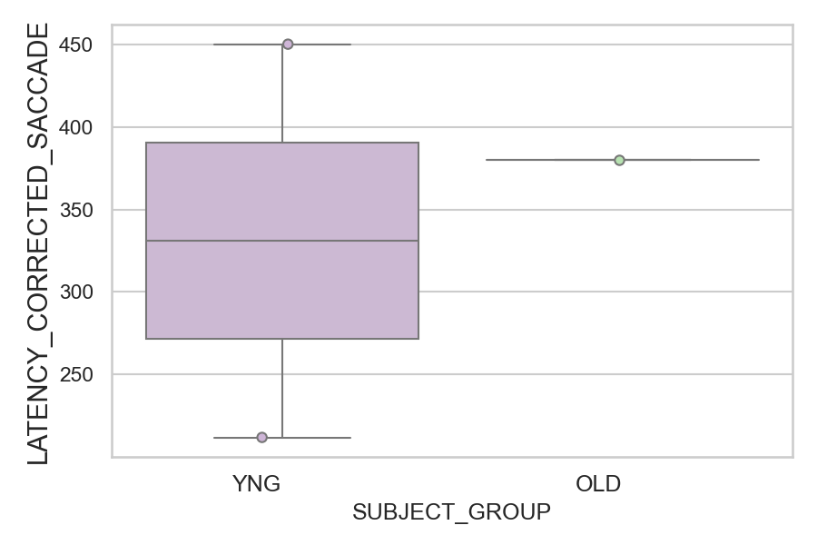
Latency of the corrected saccade after wrong saccades (ms)(mean latency of all trials per subject)
SUBJECT_NAME | SUBJECT_GROUP | SUBJECT_AGE | VALUE
AW002AF | YNG | 19 | 450
CP001CTA | OLD | 65 | 380
AW001CG | YNG | 19 | 212

D1 (types)
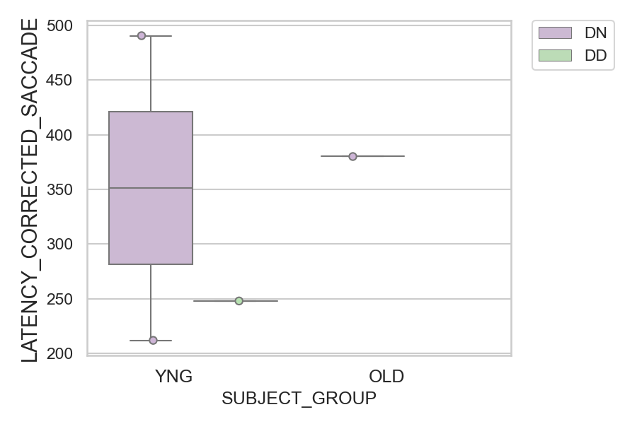
Latency of the corrected saccade after wrong saccades (ms)(mean latency of all trials per subject)
SUBJECT_NAME | SUBJECT_GROUP | CONDITION_APPEARANCE | SUBJECT_AGE | VALUE
AW002AF | YNG | DN | 19 | 490.4
CP001CTA | OLD | DN | 65 | 380
AW002AF | YNG | DD | 19 | 248
AW001CG | YNG | DN | 19 | 212
AW001CG | YNG | DD | 19
CP001CTA | OLD | DD | 65

